Dashboard
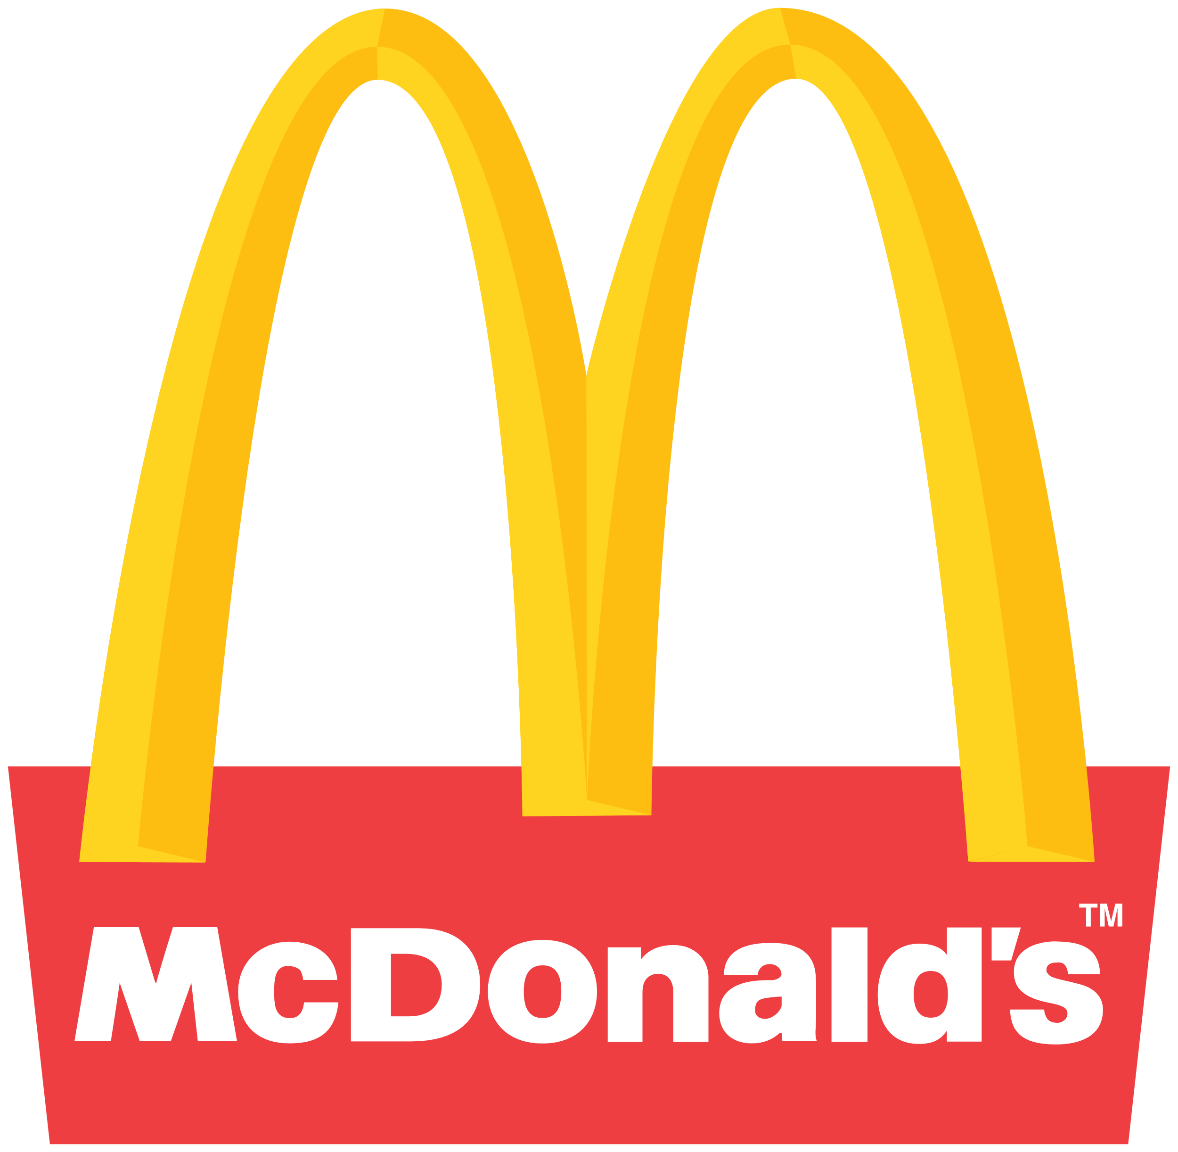
McDonald's Retailer Dashbord (USA)
Figures in USD

Figures in USD

Total Sales
Unit Sold
Average Price
Total Operating Profit

12,016,665
24,788,610
$0.45
4,722,497

Sales by Brand |  |  |  | Sales by Retailers
Brand | Sales 2022 | Sales 2023 | Varience | Brand | Sales 2022 | Sales 2023 | Varience
Coca-Cola | 499,102 | 2,268,975 | 1,769,873 | Amazon | 276,210 | 1,009,699 | 733,489
Dasani Water | 469,271 | 1,917,828 | 1,448,557 | BevCo | 466,788 | 2,327,607 | 1,860,819
Diet Coke | 423,759 | 1,633,959 | 1,210,201 | FizzyCo | 161,210 | 2,262,827 | 2,101,617
Fanta | 315,489 | 1,116,063 | 800,574 | Target | 9,250 | 1,341,995 | 1,332,745
Powerade | 349,534 | 1,302,529 | 952,995 | Walmart | 339,913 | 580,211 | 240,299
Sprite | 366,578 | 1,353,578 | 987,000 | West Soda | 1,170,362 | 2,070,594 | 900,233
Total | 2,423,733 | 9,592,933 | 7,169,200 | Total | 2,423,732 | 9,592,933 | 7,169,200

Sales and Operating Sales margin by Quatar

 | Sales | Operating Profit
Qtr1 | 692776 | 0.402
Qtr2 | 644204 | 0.400
Qtr3 | 719170 | 0.410
Qtr4 | 367582 | 0.402
Qtr1 | 1877584 | 0.417
Qtr2 | 2379425 | 0.428
Qtr3 | 2805753 | 0.435
Qtr4 | 2530171 | 0.425

